BugID 1
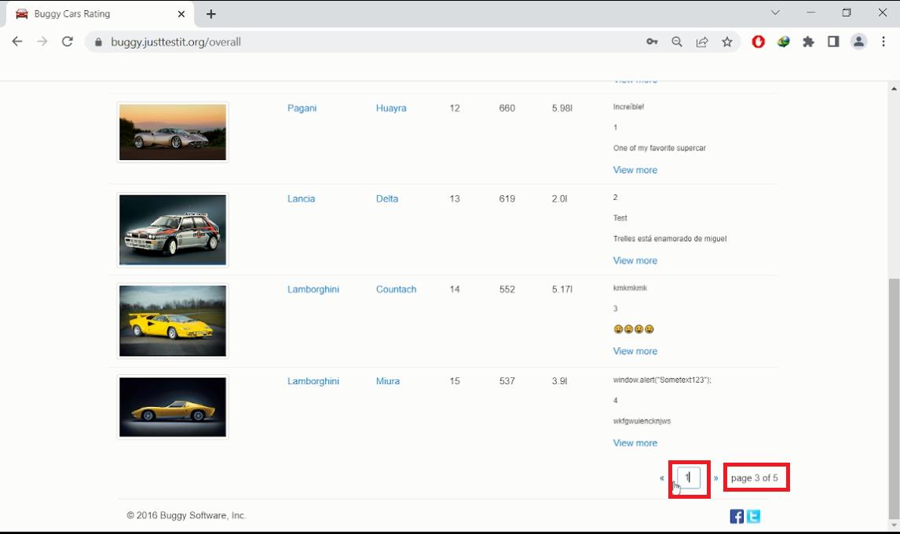
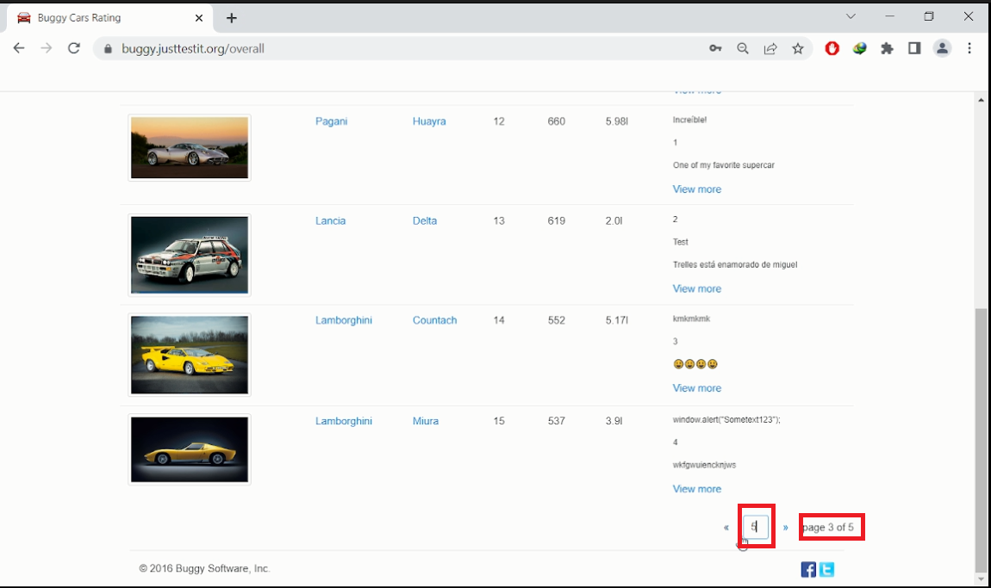
Date | 8-May-23
Bug ID | 1
Summary | User is unable to navigate to page 1 and page 5 by typing 1 or 5 into the pagination textbox.
Environment | Production
Device | Desktop - Windows 10
Browser | Chrome
Steps To Reproduce | 1. Open browser, enter this URL: https://buggy.justtestit.org/ 2. Log in using following username and password - Username: camellia - Password: Aa123456@ 3. Click on the photo in the Overall Rating card 4. Scroll down to the pagination textbox 5. Type number 3 into the pagination textbox, press Enter 6. Type number 1 into the pagination textbox, press Enter 7. Type number 5 into the pagination textbox, press Enter
Actual Result | 1. After user performs step 6, user is still in page 3, and not able to navigate to page 1. 2. After user performs step 7, user is still in page 3, and not able to navigate to page 5.
Expected Result | 1. After user performs step 6, user should be able to navigate to page 1. 2. After user performs step 7, user should be able to navigate to page 5.
Severity | High
Priority | High
Attachment | 1. BugID 1.mkv (Video: https://drive.google.com/file/d/1jSeTsLkTruO2sksjQzjCKyD-6zBOP0eg/view?usp=sharing) 2. BugID 1 - Page 1.PNG 3. BugID 1 - Page 5.PNG

BugID 2
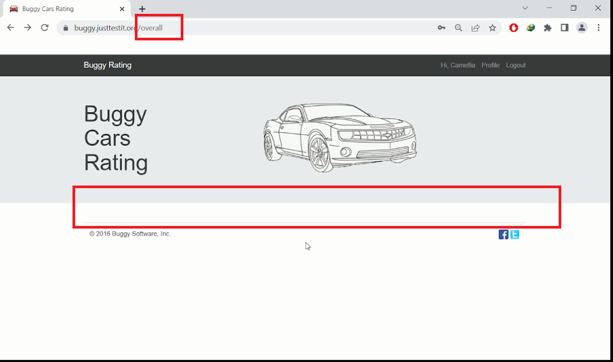
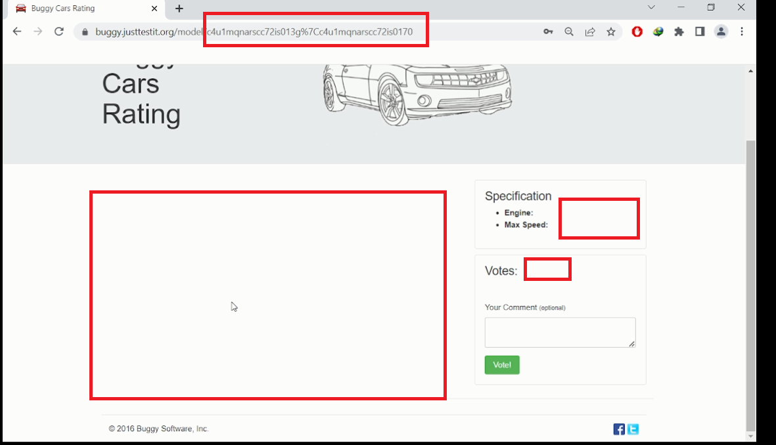
Date | 8-May-23
Bug ID | 2
Summary | User is unable to see details and comments about the car, and unable to see the list view when click on the back icon of the browser.
Environment | Production
Device | Desktop - Windows 10
Browser | Chrome
Steps To Reproduce | 1. Open browser, enter this URL: https://buggy.justtestit.org/ 2. Log in using following username and password - Username: camellia - Password: Aa123456@ 3. Click on the photo in the Overall Rating card 4. Find Lancia car with Stratos model on page 4, click Stratos in column Model 5. Click Back button icon of the browser
Actual Result | 1. After user performs step 4, user is unable to see any details and comments about the car. 2. After user performs step 5, user is unable to see the list view anymore.
Expected Result | 1. After user performs step 4, user should be able to see details, and comments about the Lancia car with model Stratos. 2. After user performs step 5, user should be able to see the list view listing all cars of page 4.
Severity | High
Priority | High
Attachment | 1. BugID 2.mkv (Video: https://drive.google.com/file/d/1shPcUdR5L7YEIV6LyCtdY_qKsIugs2x2/view?usp=sharing) 2. BugID 2 - No details shown.PNG 3. BugID 2 - No list view anymore.PNG

BugID 3
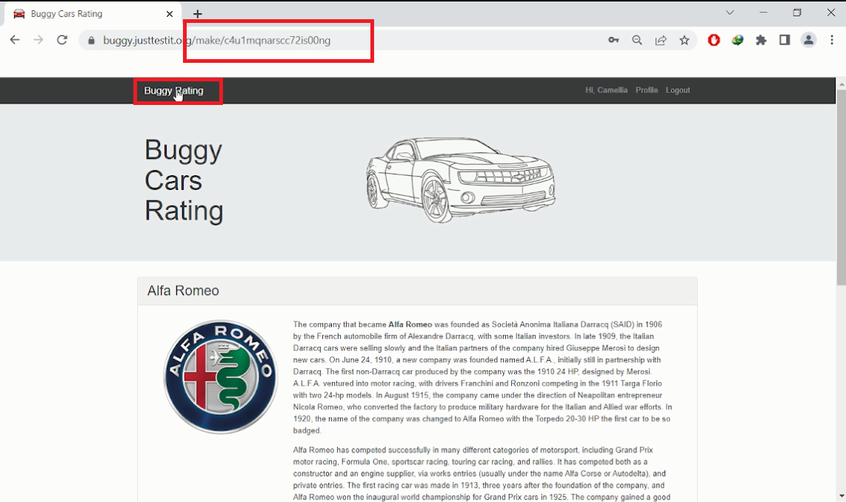
Date | 8-May-23
Bug ID | 3
Summary | There is no response when user clicks Buggy Rating in the navigation bar on the Popular Make page.
Environment | Production
Device | Desktop - Windows 10
Browser | Chrome
Steps To Reproduce | 1. Open browser, enter this URL: https://buggy.justtestit.org/ 2. Log in using following username and password - Username: camellia - Password: Aa123456@ 3. Click on the photo in the Popular Make card 4. Click Buggy Rating in the navigation bar
Actual Result | There is no response when user clicks Buggy Rating in the navigation bar on the Popular Make page, and user is unable to return to the Home Page.
Expected Result | When user clicks Buggy Rating in the navigation bar on the Popular Make page, user should be able to return to the Home Page.
Severity | High
Priority | High
Attachment | 1. BugID 3.mkv (Video: https://drive.google.com/file/d/1n-O9Co1PdmHRRMUT4H2ls-CQge2FaJ5q/view?usp=sharing) 2. BugID 3.PNG

BugID 4
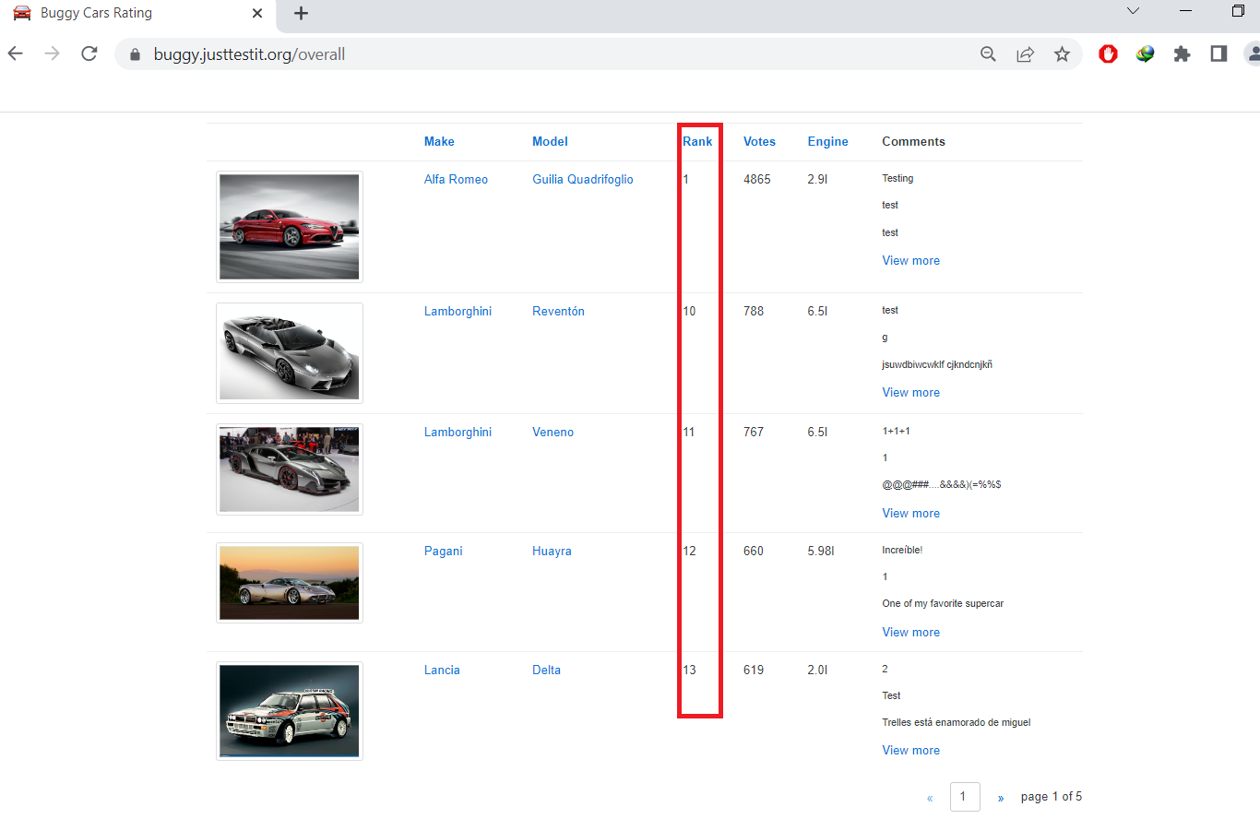
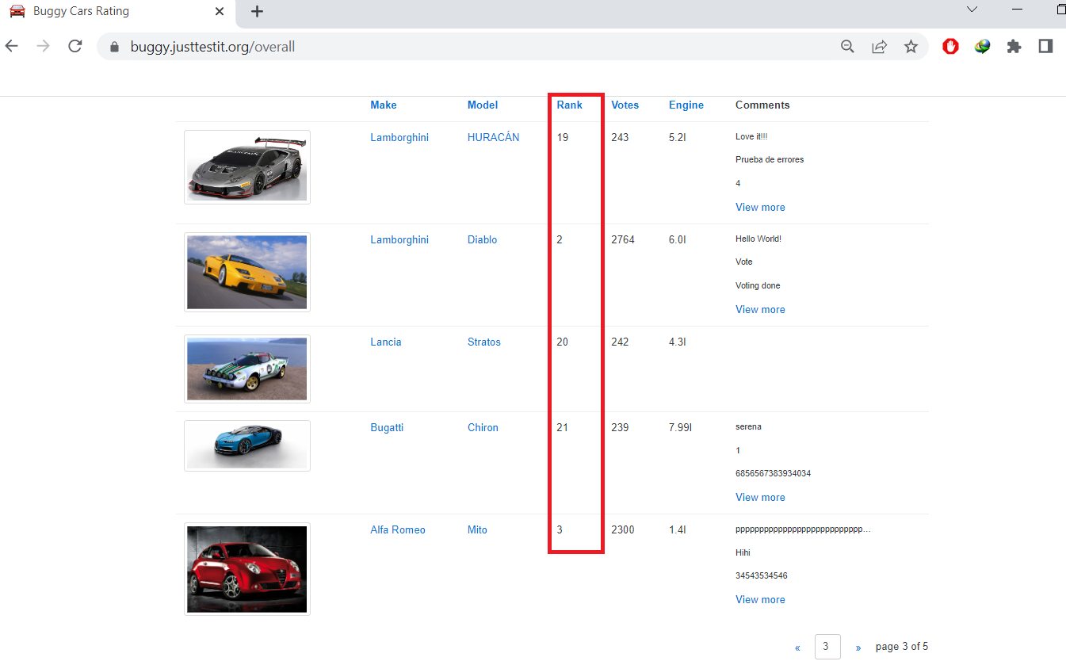
Date | 8-May-23
Bug ID | 4
Summary | Sorting by Rank function does not work properly.
Environment | Production
Device | Desktop - Windows 10
Browser | Chrome
Steps To Reproduce | 1. Open browser, enter this URL: https://buggy.justtestit.org/ 2. Log in using following username and password - Username: camellia - Password: Aa123456@ 3. Click on the photo in the Overall Rating card 4. Click on the Rank in the title of the list view
Actual Result | The list is sorted incorrectly. User sees ranking ordered 1, 10, 11, 12, etc.
Expected Result | The list should be sorted by ascending or descending correctly.
Severity | High
Priority | High
Attachment | 1. BugID 4 - Page 1.PNG 2. BugID 4 - Page 3.PNG

